3D-pEDFM Validation_#NF
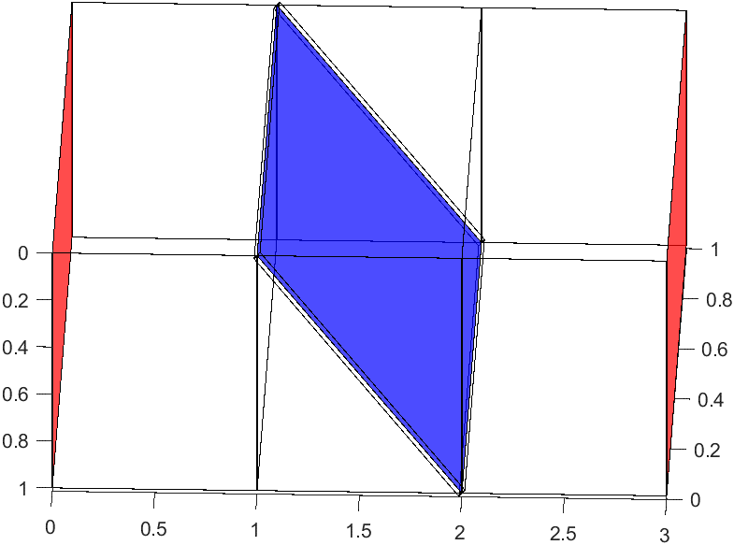
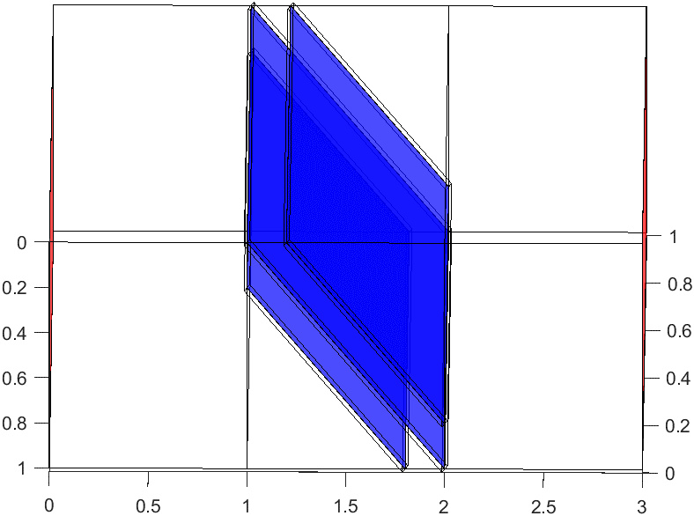
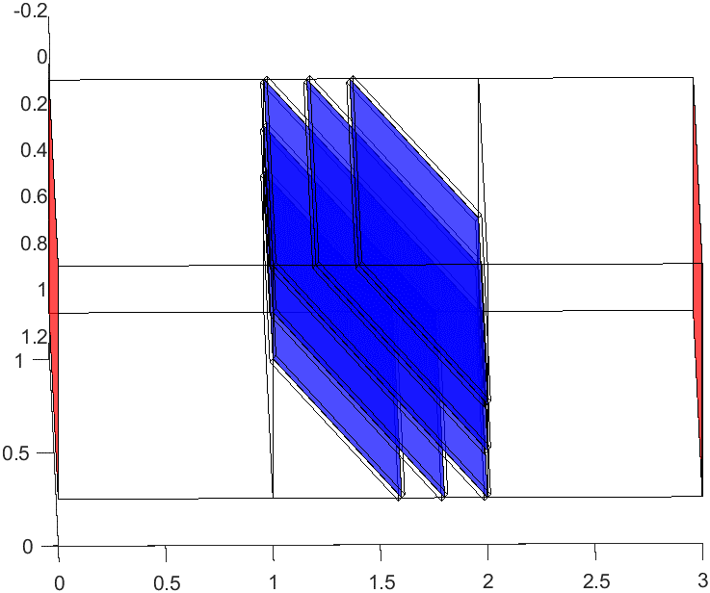
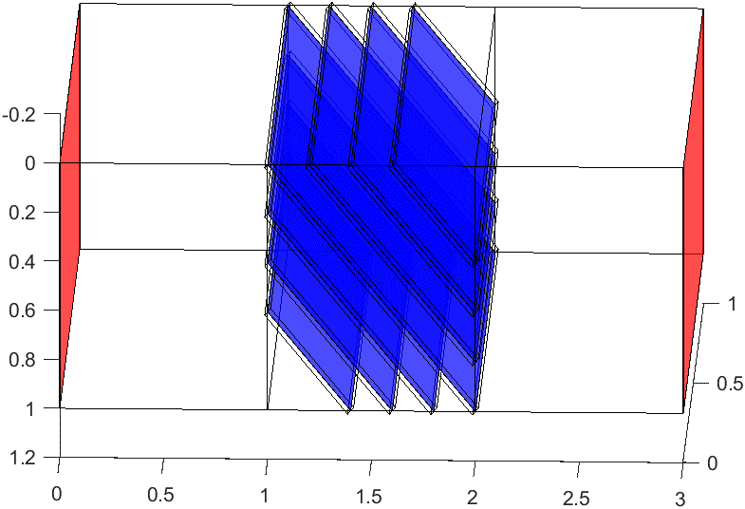
3rd Validation: re-visit Tena et. al's problem for different #NFs in both vertical and slanted orientations and compare EDFM & pEDFM pressures through L2-Norm and maximum error percentage w.r.t EDFM.
1st Validation: investigating the orientation & length range of NFs effects
 |  |  |  |  |  |  |  |  | Tena Validation |  |  |  |  |  | Simple Gridding
 |  |  |  |  |  |  |  |  | Cross-shaped fractures |  |  | Slanted fractures |  |  | Vertical Fractures fractures |  |  | Slanted fractures |  |  | 1.00E+05
 | Single_Cross |  | Double_Cross |  | Triple_Cross |  | 5_Cross |  | #intersections | L2 | error% | #intersections | L2 | error% | #NFs | L2 (Pa)*10e4 | error% | #NFs | L2 | error%
Time (days) | l2 Norm (Pa) | Max. Error % | l2 Norm (Pa) | Max. Error % | l2 Norm (Pa) | Max. Error % | l2 Norm (Pa) | Max. Error % | 1 | 1.93E+00 | 8.1568799023 | 1 | 6.15E+00 | 1.8542973844 | 1 | 7.79E+00 | 13.553988965 | 1 | 1.29E+00 | 18.319489676
Validating pEDFM code on 3 different fracture network realizations with the same #NF (1024): (left) a vertical-horizontal-square-shaped DFN, (middle) a stochastic small-length-range DFN, and (right) a stochastic large-range length DFN.
0.029296875 | 192993.39101 | 8.1531032965 | 342907.9947 | 11.254959635 | 340176.74415 | 9.6010669295 | 364268.8424 | 10.164351967 | 3 | 3.40E+00 | 9.6023921541 | 3 | 6.23E+00 | 1.6607963291 | 2 | 15.6725 | 22.205344335 | 3 | 6.21E+00 | 56.908944001
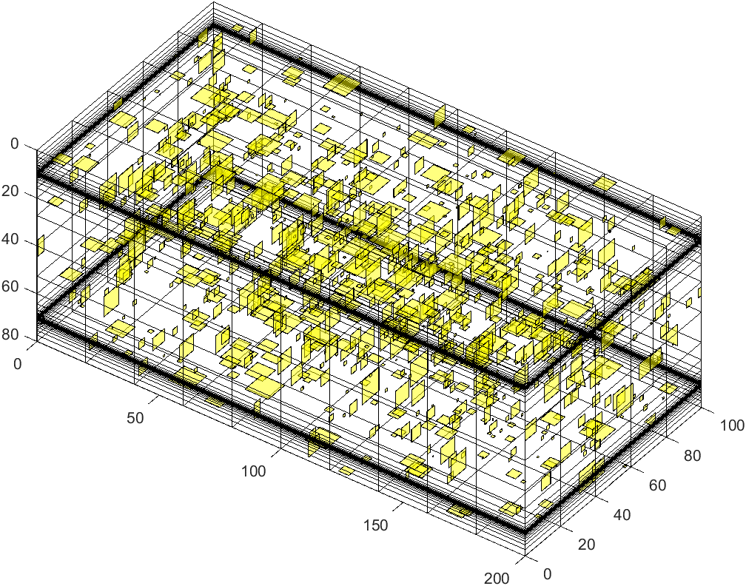
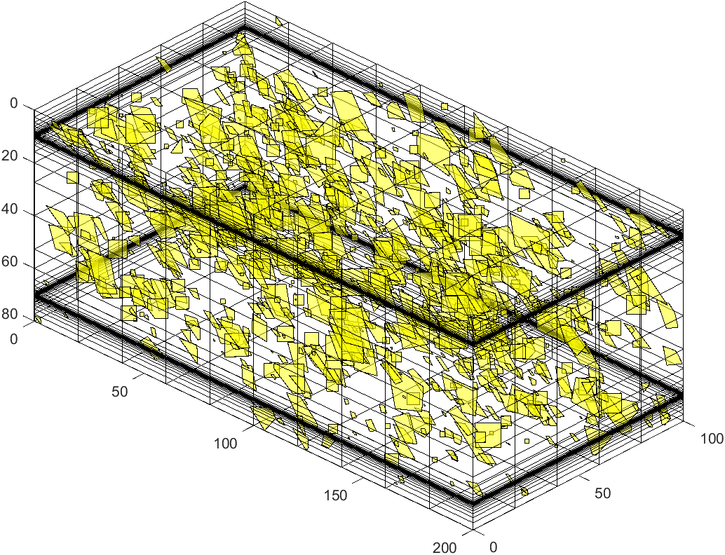
0.05859375 | 193048.65274 | 8.1568792041 | 343033.20547 | 11.260059657 | 340269.80516 | 9.6023904684 | 364371.99571 | 10.165742167 | 5 | 3.64E+00 | 10.16574395 | 5 | 4.99E+00 | 1.8212296155 | 3 | 1.61E+01 | 20.656011985 | 5 | 7.54E+00 | 56.908944001
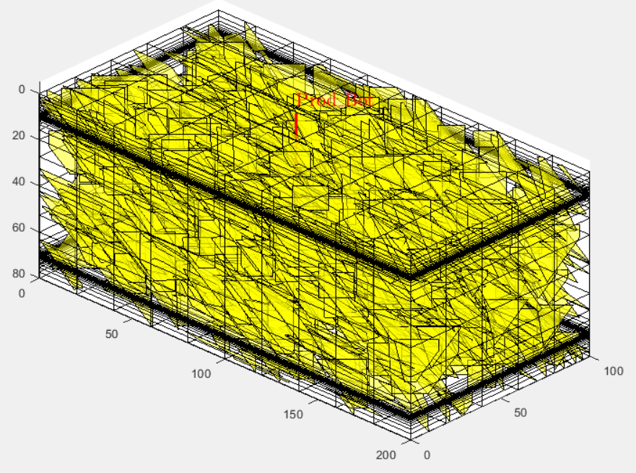
0.1171875 | 193048.67248 | 8.1568799023 | 343033.25012 | 11.260060751 | 340269.83305 | 9.6023921532 | 364372.02503 | 10.165743949 | 7 |  |  | 7 | 4.01E+00 | 1.5788447003 | 5 | 1.85E+01 | 20.656011985 | 7 | 8.67E+00 | 56.908944001
0.234375 | 193048.67248 | 8.1568799023 | 343033.25013 | 11.260060751 | 340269.83306 | 9.6023921541 | 364372.02503 | 10.16574395 |  |  |  |  |  |  | 7 | 20.6998 | 20.656011985
0.46875 | 193048.67248 | 8.1568799023 | 343033.25013 | 11.260060751 | 340269.83306 | 9.6023921541 | 364372.02503 | 10.16574395
0.9375 | 193048.67248 | 8.1568799023 | 343033.25013 | 11.260060751 | 340269.83306 | 9.6023921541 | 364372.02503 | 10.16574395
1.875 | 193048.67248 | 8.1568799023 | 343033.25013 | 11.260060751 | 340269.83306 | 9.6023921541 | 364372.02503 | 10.16574395
3.75 | 193048.67248 | 8.1568799023 | 343033.25013 | 11.260060751 | 340269.83306 | 9.6023921541 | 364372.02503 | 10.16574395
7.5 | 193048.67248 | 8.1568799023 | 343033.25013 | 11.260060751 | 340269.83306 | 9.6023921541 | 364372.02503 | 10.16574395
15 | 193048.67248 | 8.1568799023 | 343033.25013 | 11.260060751 | 340269.83306 | 9.6023921541 | 364372.02503 | 10.16574395
30 | 193048.67248 | 8.1568799023 | 343033.25013 | 11.260060751 | 340269.83306 | 9.6023921541 | 364372.02503 | 10.16574395
60 | 193048.67248 | 8.1568799023 | 343033.25013 | 11.260060751 | 340269.83306 | 9.6023921541 | 364372.02503 | 10.16574395

 | L2-Norm | Max Error %
1 | 1.93E+00 | 8.1568799023
3 | 3.40E+00 | 9.6023921541
5 | 3.64E+00 | 10.16574395
7
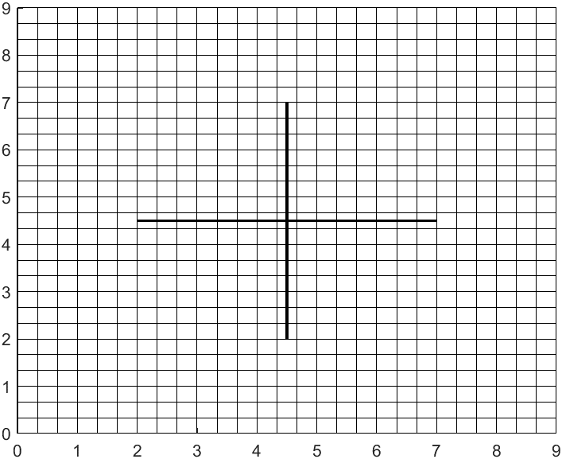
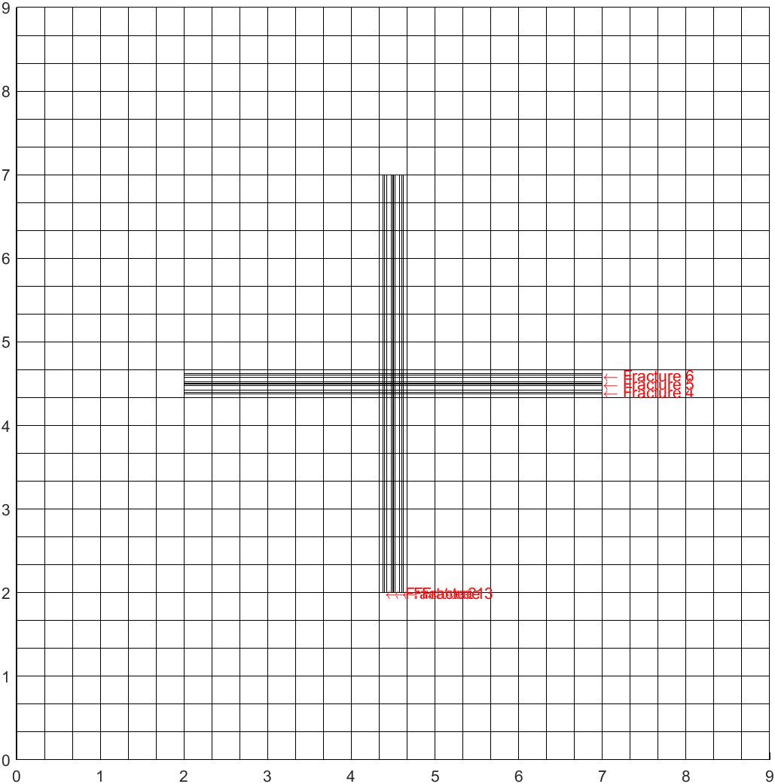
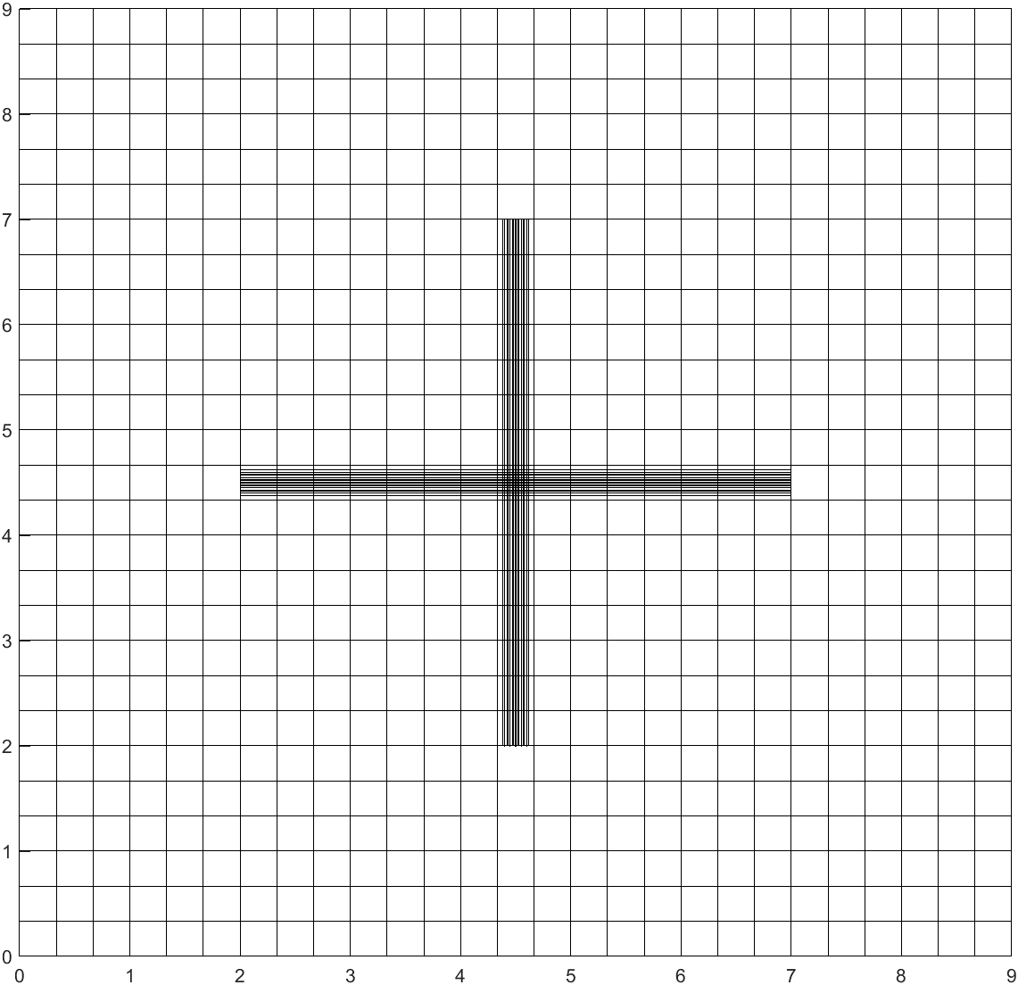

RF = 6.01%
QTr = 33707.76 res. bbl
RF = 6.00%
QTr = 33551.8 res. bbl
RF = 5.42%
QTr = N/A

2nd Validation: Systematic increase of stochastic horizontal-vertical NFs

Validating pEDFM code on 2 different fracture network realizations: (left) 1024 NFs and (right) 2048 NFs with the same vertical-horizontal orientation for one producing well.

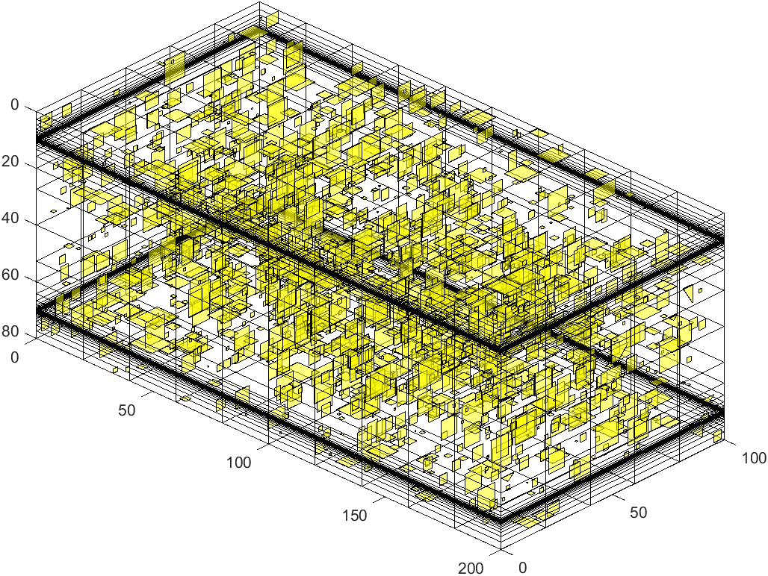

 | L2-Norm | Max Error %
1 | 6.15E+00 | 1.8542973844
3 | 6.23E+00 | 1.6607963291
5 | 4.99E+00 | 1.8212296155
7 | 4.01E+00 | 1.5788447003
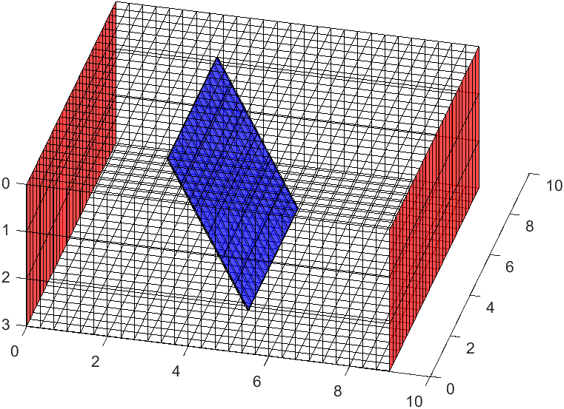
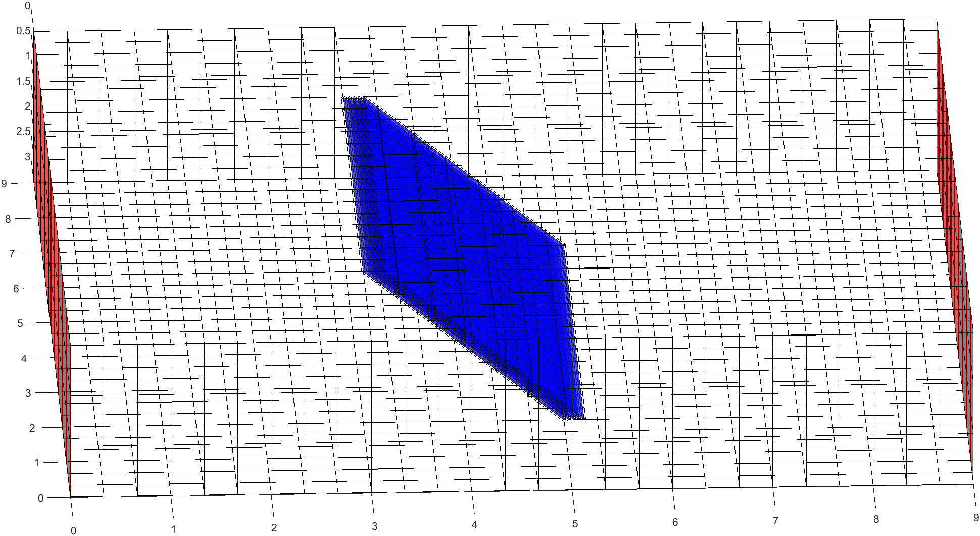
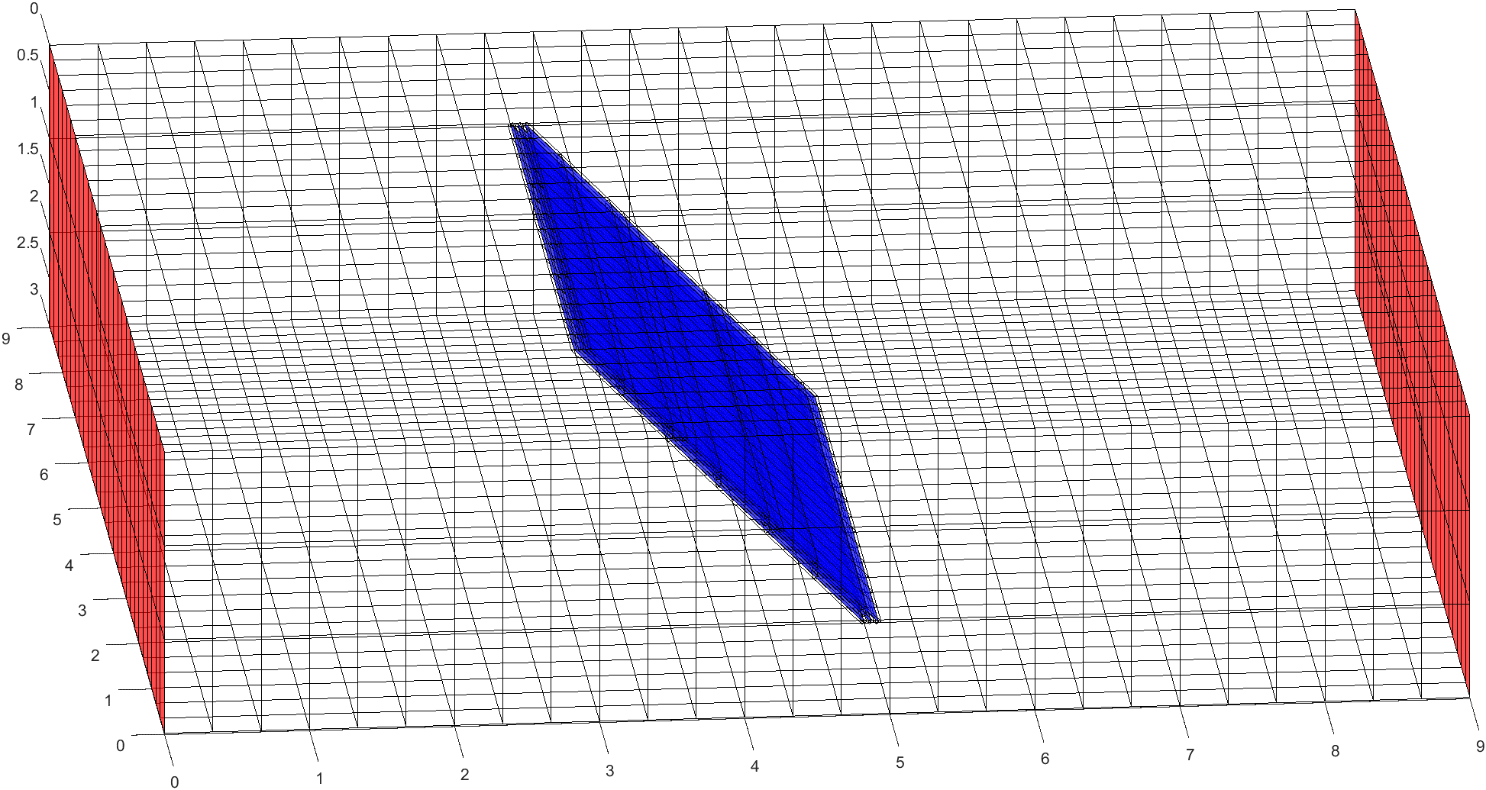
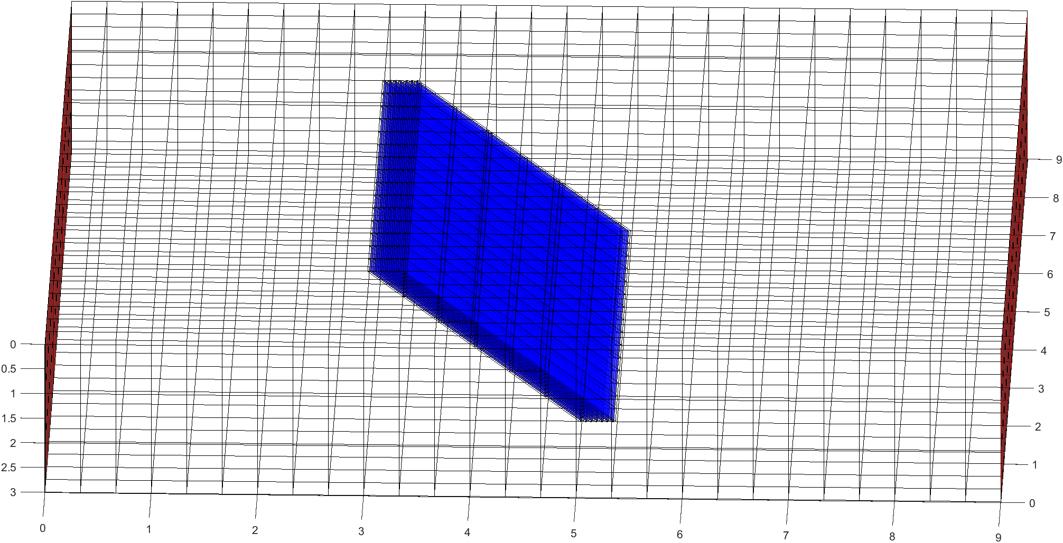

RF = 6.01%
QTr = 33707.76 res. bbl
RF = 6.01%
QTr = 33674.26 res. bbl

4th Valdiation: compare pEDFM and EDFM pressures for vertical and slanted NFs in simple gridding [3*1*1]

 | L2-Norm | Max Error %
1 | 7.7929663994 | 13.553988965
2 | 15.6725 | 22.205344335
3 | 16.076128238 | 20.656011985
5 | 18.532758437 | 20.656011985
7 | 20.6998 | 20.656011985
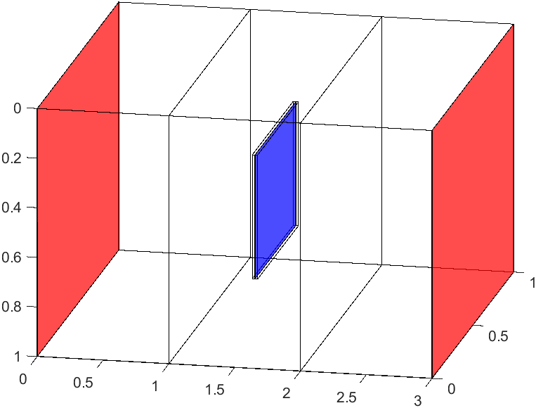
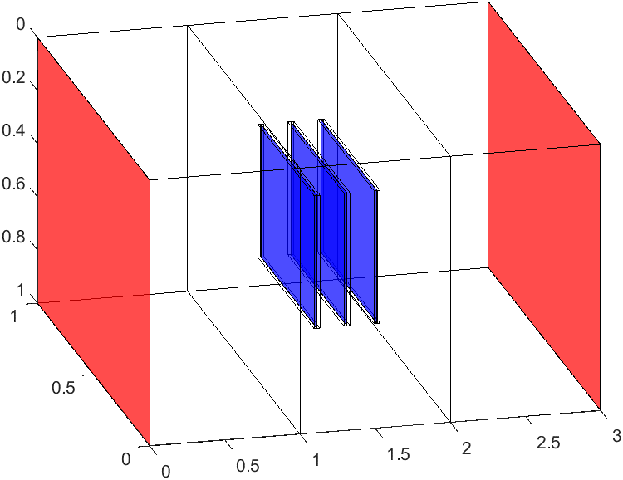
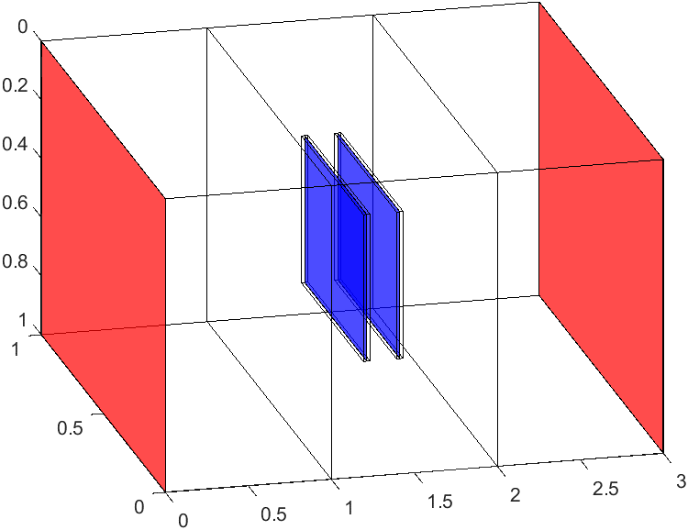
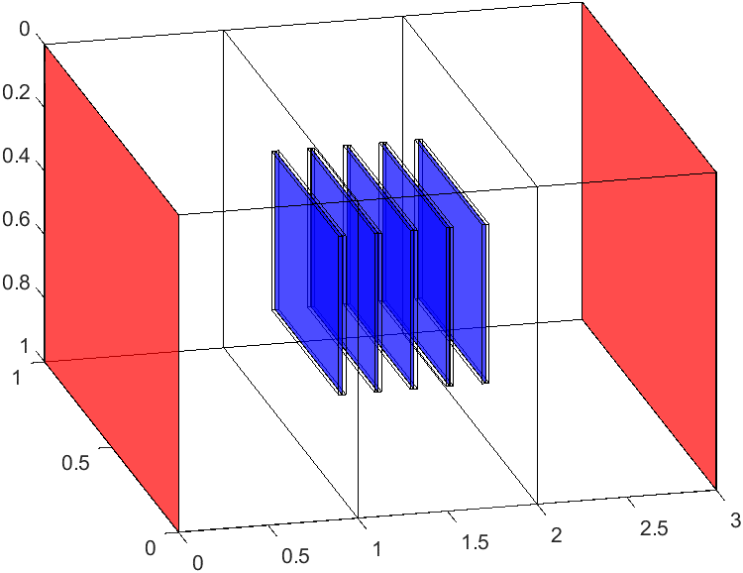
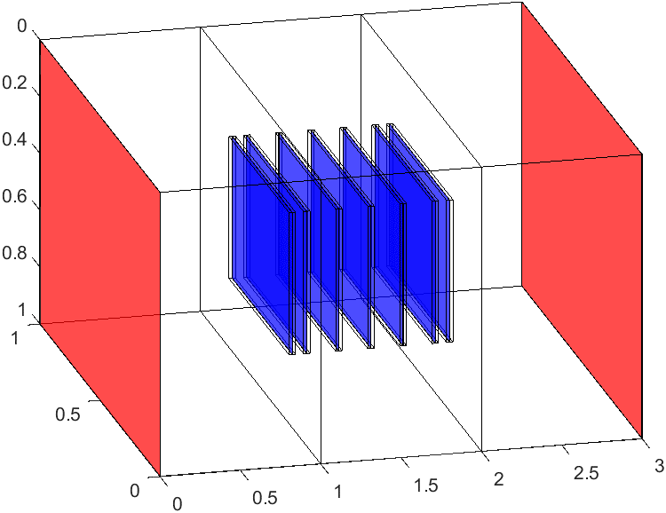

 | L2-Norm | Max Error %
1 | 1.29E+00 | 18.319489676
3 | 6.21E+00 | 56.908944001
5 | 7.54E+00 | 56.908944001
7 | 8.67E+00 | 56.908944001

